Sheet1
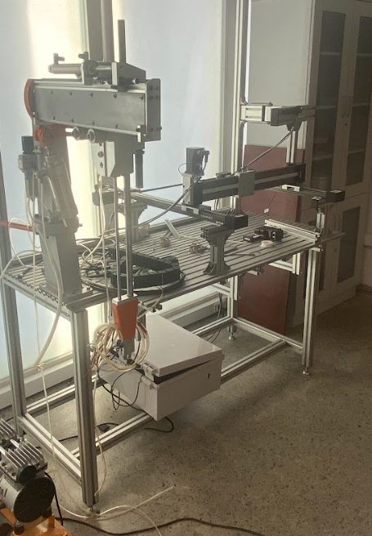
3d resin printer | 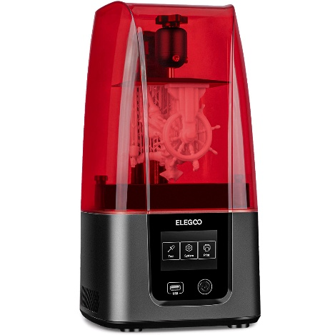 |  | We have 2 printer avaiable
Cobot 6dof rebel (robot arm) | 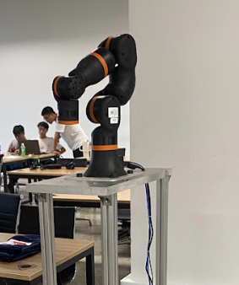 |  | Available now
Conveyor | 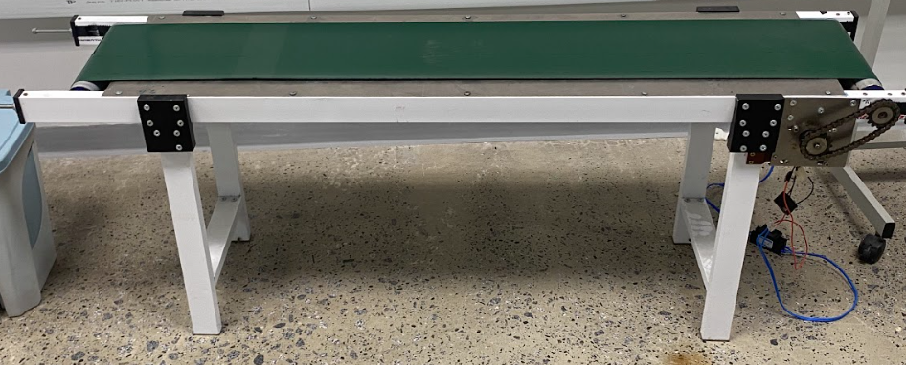 |  | Available now
Robot Aram |  | 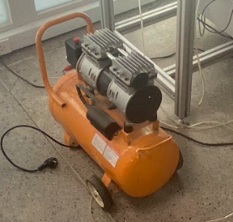 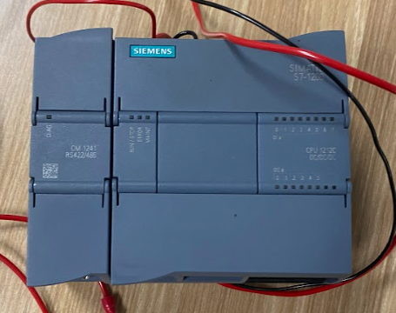 | The Robot Arm required a controller system to make it working again.
Gantry System |  |  | Available now
3d printing plastic recycle system | 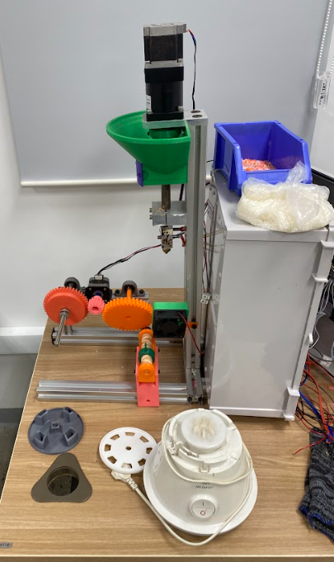 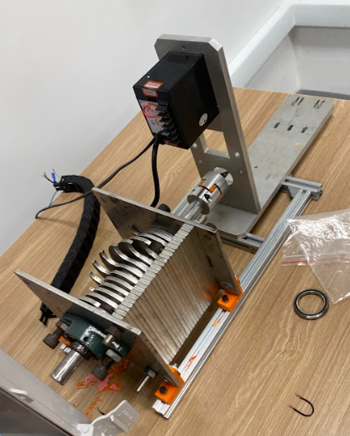 |  | Required to recover some parts and controlling system.

